Title Page
Beta Oats Payroll Program
Table of Contents:
Snapshot | Team information including members, assignments, and meeting attendance. | Snapshot
Flowchart Order (Module Tabs)
Input & Validation
DB Lookup
Gross Pay
Tax
Output/reporting
Testing & Validation
Test Results
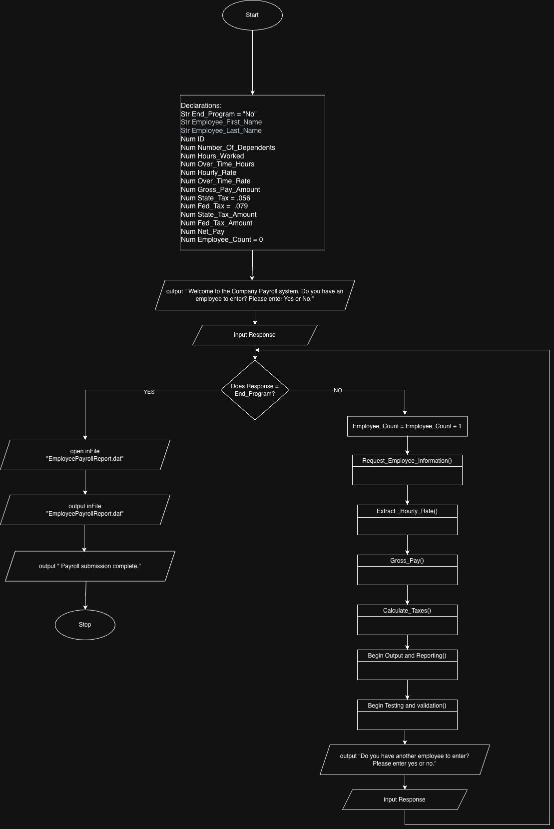
Overview of Full Program provided by Leigh & Hamza

Snapshot
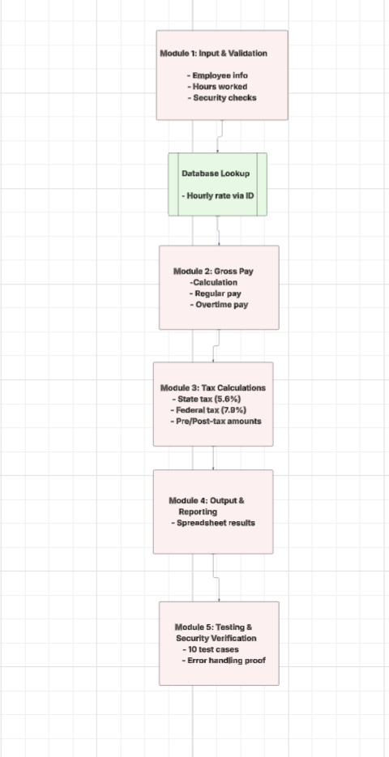
Attendance/Meeting Information |  |  |  | Module assignments:
Date | Participants | Location | Notes | Input & Validation: Hamsa
1/29/2026 | Christina, Leigh, Hamza, Ronald via ZOOM, Jennifer via email | Zoom breakout room | Introductions & project overview. Meet 2/3/2026 after labs to assign modules and decide logic/flow. Sent Google form survey out. | Database Lookup: Hunter
2/3/2026 | Christina, Leigh, Hamza, Ronald via ZOOM, Jennifer via email | Zoom breakout room | Went over plan and assigned modules. Decided to start meeting through Discord, recorded by Hamsa. Will touch bases Thursday after lab to make any needed adjustments. | Gross Pay: Ronald
2/17/2026 |  | Zoom breakout room |  | Tax Calculations: Leigh
2/24/2026 | Christina, Leigh, Hamza, Ronald | Zoom breakout room | updated plan includes adding a section for declaring global variables at the start of the main program and making sure that all data is pulled from database after validating employee. | Output & Reporting: Jennifer
3/3/2026 | Christina, Leigh, Hamza, Ronald | Zoom breakout room | Discussed updated flowcharts and finalizing project. Hamsa provided updated flowchart and database xls for Hunter's section, based on data previously provided by Hunter via Discord. Leigh provided a flowchart for output/reporting (not based on Jennifer's plan). | Testing & Security Verification: Christina
3/7/2026 | Christina, Leigh, Hamza, Ronald | Discord at 6 pm | Final review before submission

 | Original Plan
Team Members

Ronald Rudolph: rrudolph7@ivytech.edu

Hamza Sadiqi: hsadiqi@ivytech.edu

Hunter Showell: hshowell@ivytech.edu

Leigh Sundling: lsundling2@ivytech.edu

Christina Wise: cwise75@ivytech.edu

Jennifer Ortega: jortega57@ivytech.edu

DB Lookup
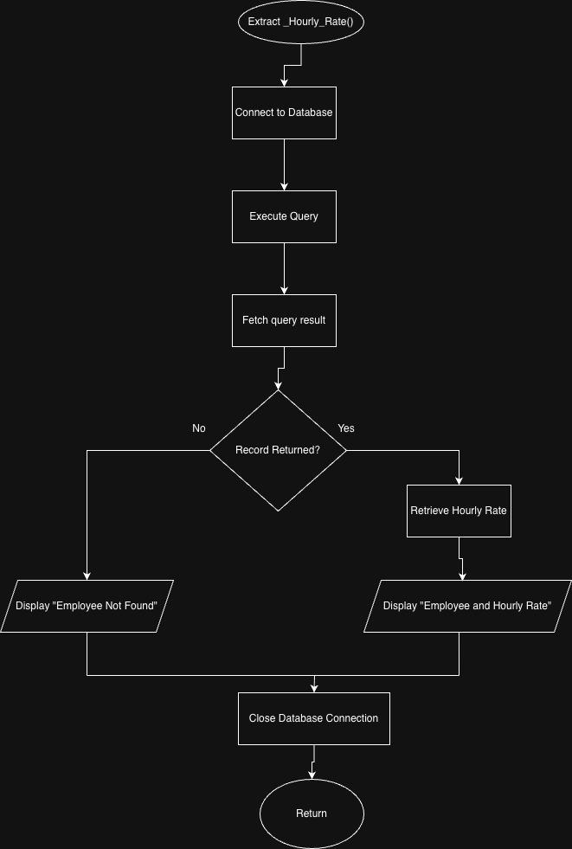
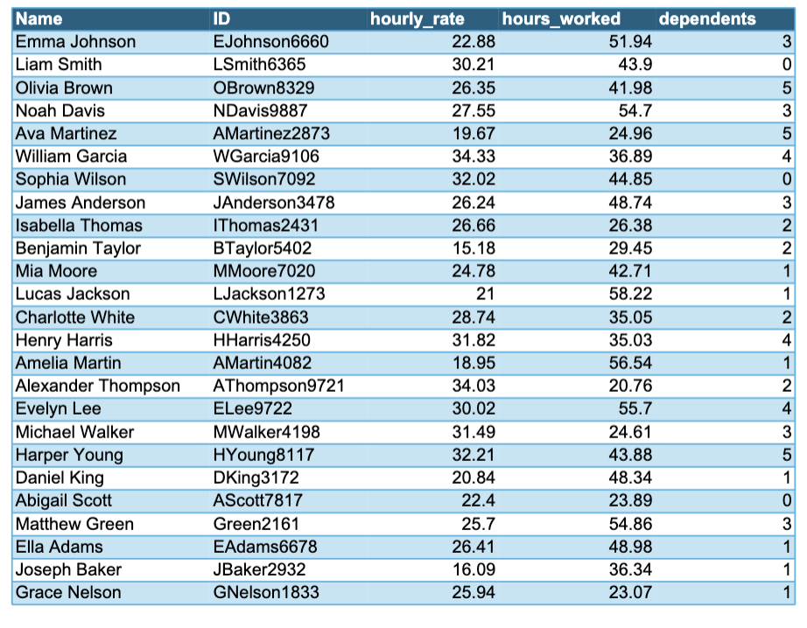

DB Lookup: Hunter
*formatted data/flowchart provided by Hamza (data by Hunter)

Gross Pay
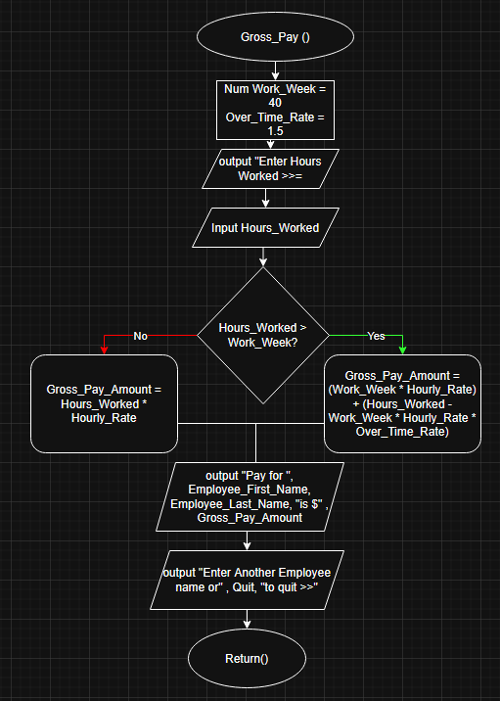
Gross Pay: Ronald Rudolph

Tax
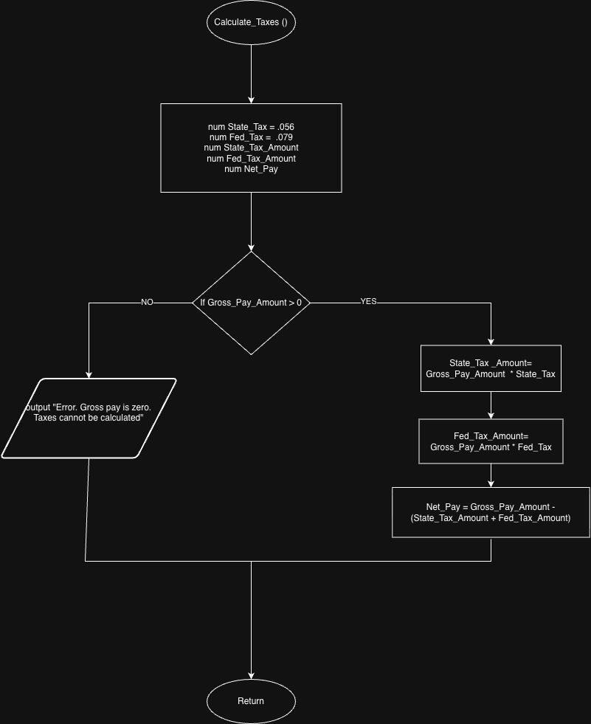
Tax: Leigh Sundling

Outputreporting
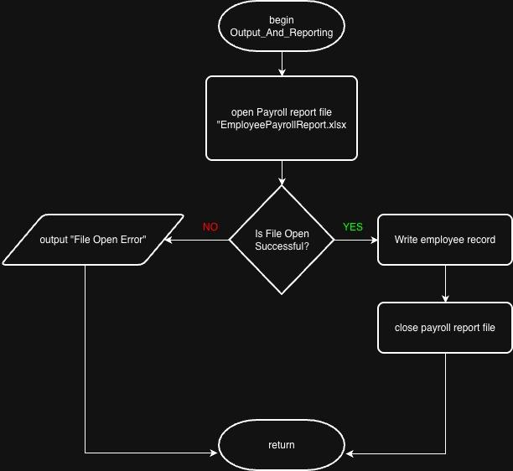

Output/Reporting: Jennifer (assigned)
initial Flowchart provided by Leigh
finalized flowchart by Christina Wise

Testing & Validation
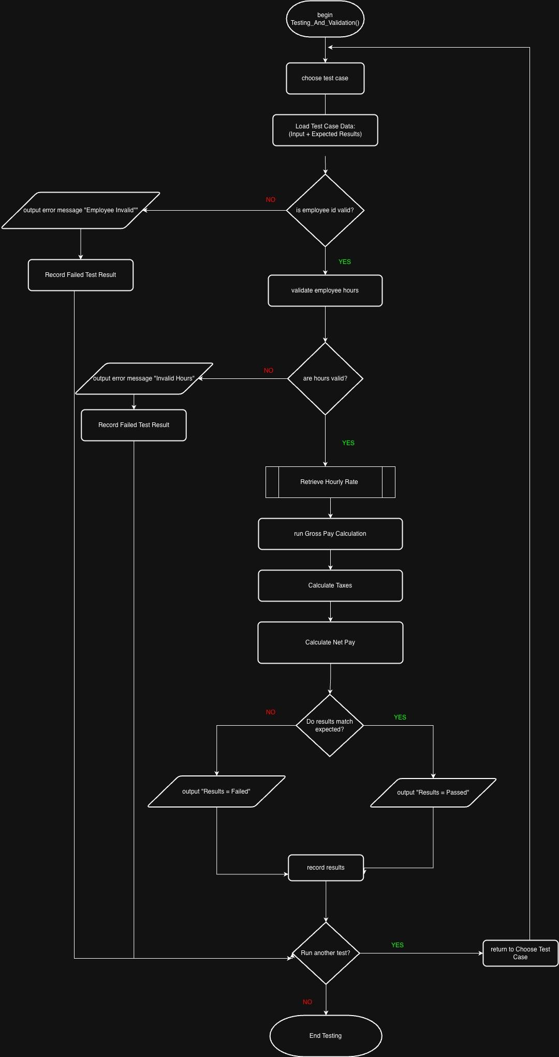
Testing Flowchart: Christina Wise

